graphics data PCA >5%
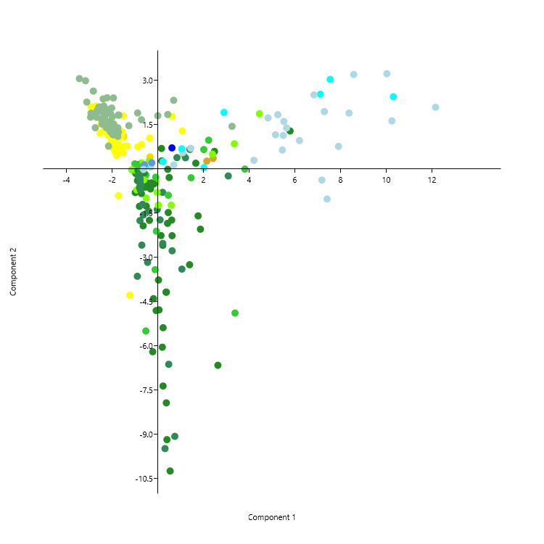
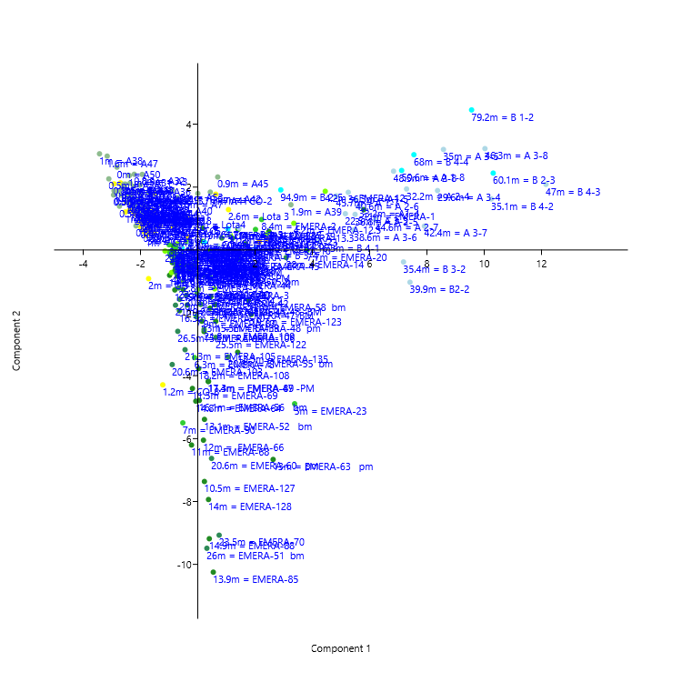
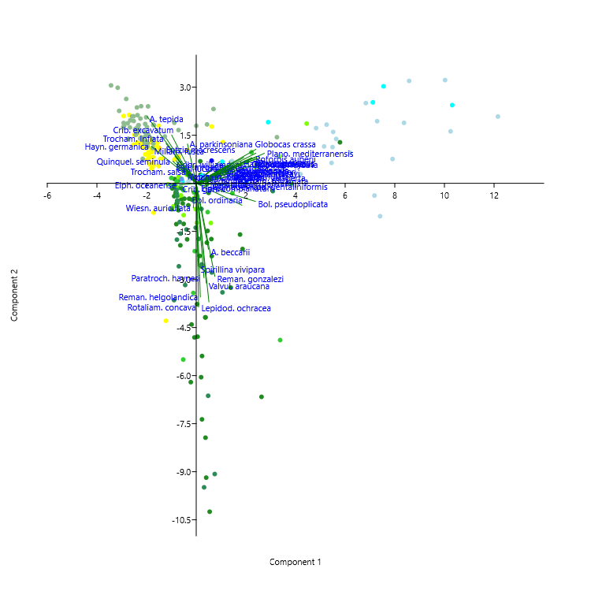
Alves Martins, M.V., Hohenegger, J., Frontalini, F., Sequeira, C., Miranda, P., Rodrigues, M.A.C., Duleba, W., Laut, L., Rocha, F., 2019. Foraminifera check list and the main species distribution in the Aveiro Lagoon and Adjacent Continental Shelf (Portugal). Journal of Sedimentary Environments, 4 (1): 1-52. https://doi.org/10.12957/jse.2019.39308

graphics data Corresp. >5%
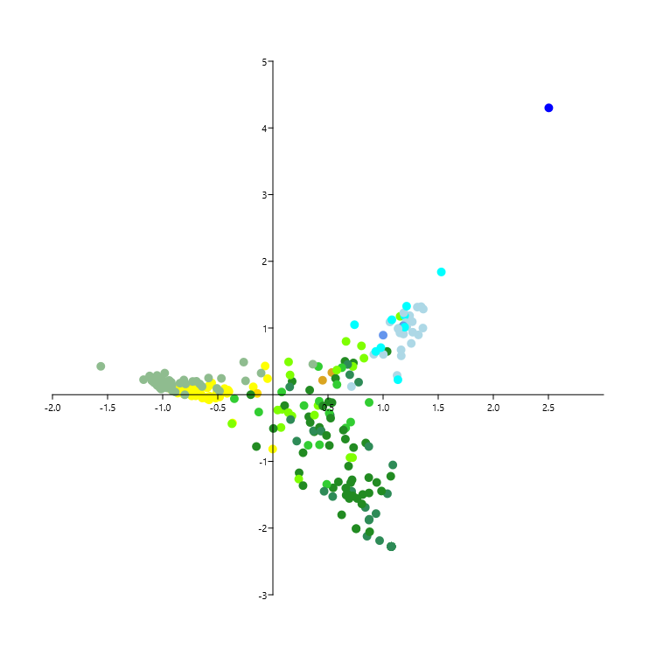
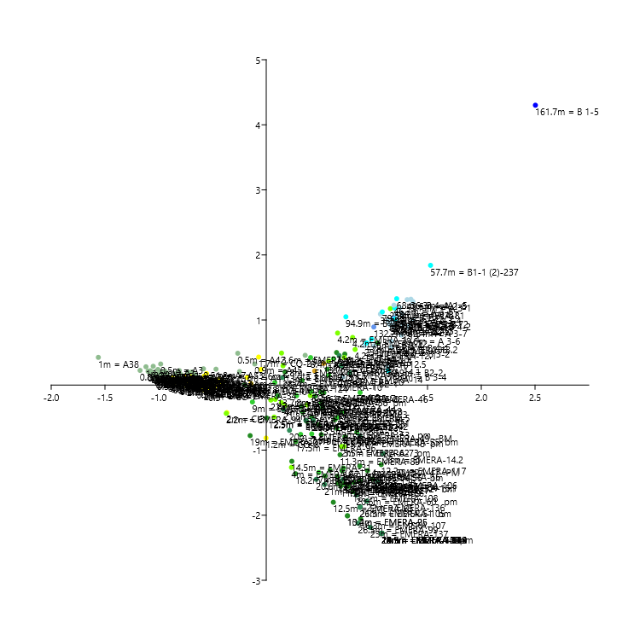
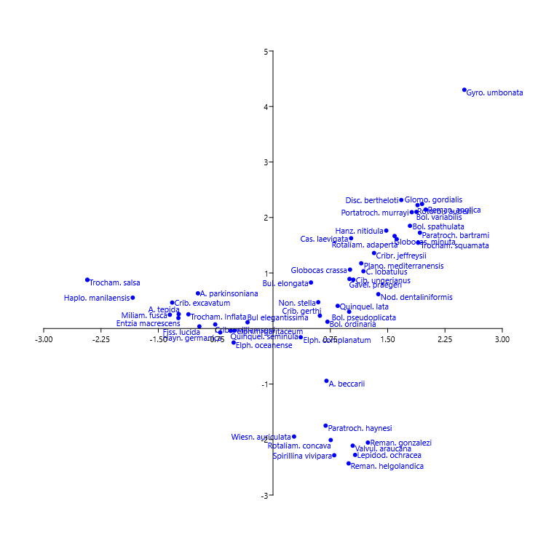

correlation with depth
depth | PC 1 | PC 2 | PC 3 | Axis 1 | Axis 2 | Axis 3
4 | -1.7787 | 1.2595 | 1.4276 | -0.688729 | 0.0892597 | 0.186483
2 | -1.4928 | 1.0624 | 0.75103 | -0.454128 | 0.0591573 | 0.101418
2 | -1.912 | 0.92229 | 1.1023 | -0.65289 | 0.00795461 | 0.198399
2 | -2.157 | 1.2011 | 0.80865 | -0.7597 | 0.0780173 | 0.166013
1 | -2.3885 | 1.5242 | 0.96351 | -0.827556 | 0.0844142 | 0.163236
1 | -2.1328 | 1.1874 | 0.22743 | -0.884629 | 0.0928728 | 0.146616
1 | -2.0002 | 0.90347 | 0.65189 | -0.701116 | -0.016552 | 0.16875
2 | -2.05 | 0.90714 | 0.59986 | -0.736865 | -0.0175484 | 0.173813
2 | -1.9067 | 0.80365 | 0.18204 | -0.808972 | 0.00929513 | 0.170148
2 | -2.184 | 1.1368 | 0.83655 | -0.871543 | 0.0648117 | 0.186705
1 | -2.4929 | 1.5183 | 0.72244 | -0.8519 | 0.0654524 | 0.174166
2 | -2.2419 | 1.2603 | 0.11435 | -0.885489 | 0.0736071 | 0.132182
1 | -2.246 | 1.224 | -0.2046 | -0.922417 | 0.0766919 | 0.108812
7 | -1.8619 | 1.2855 | 0.18896 | -0.757391 | 0.138725 | 0.123716
5 | -1.7095 | 0.65483 | 0.37646 | -0.723643 | 0.0356683 | 0.150921
7 | -1.5007 | 1.112 | 0.59458 | -0.461086 | 0.0337881 | 0.0991818
3 | -0.71199 | 0.82374 | 1.0156 | -0.40856 | 0.0698901 | 0.129649
3 | -1.3295 | 0.76701 | 0.69909 | -0.417374 | 0.0265171 | 0.14069
3 | -1.9313 | 0.97229 | 0.099629 | -0.901863 | 0.0829992 | 0.16514
3 | -1.5086 | 1.7974 | 1.3413 | -0.555692 | 0.176976 | 0.170203
1 | -2.6979 | 2.133 | 0.17652 | -0.822865 | 0.137368 | 0.141513
4 | -1.6669 | 1.1391 | 0.81841 | -0.579234 | 0.136098 | 0.134324
3 | -1.758 | 0.50397 | 0.94921 | -0.596645 | -0.0380881 | 0.154814
2 | -1.7177 | -0.91289 | 0.048439 | -0.366489 | -0.424324 | 0.0488167
2 | -1.8011 | 1.0691 | 0.72602 | -0.662895 | 0.0795869 | 0.135428
1 | -1.4498 | 0.76825 | 0.26238 | -0.572034 | -0.0227787 | 0.135601
1 | -2.3786 | 1.535 | -0.098433 | -0.914865 | 0.119961 | 0.113147
1 | -2.0779 | 1.1011 | -0.17288 | -0.962218 | 0.106599 | 0.147382
1 | -2.1824 | 1.2861 | -0.83374 | -0.996285 | 0.119766 | 0.0639452
2 | -0.8789 | 0.74697 | 1.892 | -0.398939 | 0.0473121 | 0.137422
2 | -1.8697 | 1.3393 | 1.6174 | -0.597148 | 0.103182 | 0.138032
1 | -1.5742 | 1.1476 | 1.358 | -0.690221 | 0.116122 | 0.185548
1 | -1.7915 | 0.9733 | 0.35182 | -0.874526 | 0.11503 | 0.163872
2 | -1.6008 | 1.1265 | 0.63528 | -0.695585 | 0.179998 | 0.161808
1.5 | -1.9477 | 1.1353 | 2.6174 | -0.510261 | 0.0178706 | 0.195172
1 | -2.5265 | 1.2073 | 3.4293 | -0.594185 | -0.0620071 | 0.205128
1.6 | -1.5997 | 1.144 | 3.7817 | -0.415847 | 0.02178 | 0.191975
1 | -1.8114 | 0.45962 | 2.3638 | -0.520474 | -0.0515164 | 0.18841
1 | -2.3846 | 1.2702 | 3.028 | -0.623779 | -0.0377101 | 0.21234
0.8 | -2.9238 | 2.1017 | 1.6306 | -0.745055 | 0.0704498 | 0.168847
1.9 | -1.7384 | 0.82015 | 1.7432 | -0.483879 | -0.0329291 | 0.146975
1.8 | -2.0136 | 1.1142 | 3.9372 | -0.528815 | -0.0302253 | 0.201177
0.9 | -1.9965 | 0.72872 | 0.81028 | -0.864469 | 0.024229 | 0.184962
0.9 | -1.698 | 0.60257 | 1.1271 | -0.722541 | 0.00314859 | 0.188754
0.5 | -1.8794 | 0.5917 | 1.0114 | -0.640419 | -0.0494865 | 0.15071
0.5 | -1.985 | 0.91615 | 1.0033 | -0.807358 | 0.0438579 | 0.17656
3.7 | -1.5629 | 1.2581 | 2.54 | -0.439233 | 0.0924674 | 0.179269
2.6 | 1.072 | 1.2829 | 3.5074 | -0.0490748 | 0.241242 | 0.138811
3.1 | -0.35708 | 1.037 | 4.4784 | -0.178146 | 0.118177 | 0.187942
8.8 | 2.1462 | 0.2612 | 3.3719 | 0.450674 | 0.217119 | 0.088019
1.7 | 0.62846 | 1.774 | 1.4576 | -0.0707799 | 0.430485 | 0.107801
4.6 | -0.33574 | 0.4047 | 1.4058 | -0.142059 | 0.0198436 | 0.0947941
3 | -1.6185 | 1.059 | 2.4358 | -0.504679 | 0.0635212 | 0.184786
2.4 | -1.5144 | 0.54132 | 0.94981 | -0.579772 | -0.0769086 | 0.1453
1.2 | -1.2223 | -4.289 | 1.2252 | -0.00200408 | -0.81426 | 0.030632
13.7 | 2.4222 | 0.35444 | 2.3322 | 0.534752 | 0.33317 | 0.0557621
11 | 5.7909 | 1.2813 | 4.0482 | 0.730545 | 0.476248 | 0.032125
8.4 | 2.2277 | 0.96954 | 0.76713 | 0.412391 | 0.422703 | 0.0511609
1.3 | 0.58755 | -1.2356 | 1.1507 | 0.409598 | -0.161593 | 0.0508131
13 | 0.16191 | 0.68873 | 1.4081 | 0.174448 | 0.200726 | 0.133301
10 | -0.67758 | -0.13892 | -0.93478 | 0.70585 | -0.409855 | -0.0138052
3.6 | -0.71548 | 0.19983 | -1.0694 | 0.142346 | 0.492181 | 0.0847574
16.1 | 0.43489 | -0.017469 | -0.17608 | 0.505649 | -0.107301 | 0.0160259
16.7 | 0.49847 | -0.29609 | 0.26478 | 0.535769 | -0.118145 | 0.0128624
18.1 | 1.6645 | 0.18944 | 3.9189 | 0.333739 | 0.0691546 | 0.0768469
4.2 | 4.4491 | 1.8661 | 2.5396 | 0.803259 | 0.732021 | 0.040659
4.2 | 1.1327 | 0.47559 | 0.91038 | 0.826363 | 0.54811 | 0.0488833
4.2 | -0.37808 | 0.2677 | -1.0486 | 0.663224 | 0.799941 | 0.0299671
4.2 | 3.3515 | 0.84774 | 3.0322 | 0.725453 | 0.423502 | 0.0346465
11 | 1.4065 | 0.65828 | -0.0018808 | 0.653829 | 0.50066 | 0.018172
11 | 0.16977 | 0.26927 | -0.76984 | 1.03652 | 0.648802 | -0.021809
11 | 2.4813 | 0.58996 | 3.3667 | 0.56799 | 0.244405 | 0.0521455
28 | 3.085 | -0.24245 | 1.7129 | 0.777335 | 0.188011 | -0.00427637
28 | 1.2112 | 0.37355 | 0.17724 | 0.697259 | 0.299889 | 0.0196597
28 | -0.022173 | -1.3838 | -1.4101 | 1.08818 | -1.05278 | -0.191628
20 | 0.83911 | 0.37932 | 0.42435 | 0.678187 | 0.453464 | 0.0301863
20 | -0.39473 | -1.4391 | -1.2456 | 1.03904 | -1.48424 | -0.189202
20 | 0.21067 | -0.79827 | 0.19317 | 0.519828 | -0.305265 | -0.00916477
19 | -0.54433 | -0.62405 | -1.1246 | 0.941888 | -1.31538 | -0.138495
19 | -0.36695 | -1.7466 | -0.90099 | 0.717875 | -1.27549 | -0.10838
1.7 | -0.079524 | -0.45342 | 4.6685 | 0.0836559 | -0.219491 | 0.117007
8.5 | 2.0151 | 0.65333 | 0.98832 | 0.625352 | 0.405604 | 0.036826
7.7 | 3.8122 | -0.0099458 | 4.3061 | 0.581077 | 0.15204 | 0.0440431
1 | 2.3928 | 0.49631 | 0.86319 | 0.579377 | 0.370333 | 0.0408714
8 | -0.51775 | -0.21174 | 0.10549 | 0.282093 | -0.163015 | 0.086413
5 | 3.3804 | -4.8903 | 2.1854 | 0.660501 | -0.498758 | -0.0286231
13.4 | -0.83166 | -0.2898 | -1.1816 | 0.755198 | -2.00868 | -0.124689
19 | -0.96477 | -0.15771 | -0.86776 | -0.150281 | -0.776921 | 0.111325
17.2 | -0.87166 | 0.13463 | -0.62757 | -0.201409 | 0.000331059 | 0.192901
9 | -0.99403 | -0.063718 | 0.21022 | -0.12865 | -0.259539 | 0.163854
4 | 0.022 | -1.2318 | 3.2689 | 0.172576 | -0.318232 | 0.0827642
14.5 | -0.98468 | -0.80554 | -0.54755 | 0.237977 | -1.17092 | 0.00983737
13.7 | -0.59763 | -0.14908 | 0.31065 | 0.106158 | -0.163134 | 0.0993151
13 | 0.1408 | -2.2637 | 1.3595 | 0.374814 | -0.555586 | 0.018825
8 | -1.0023 | 0.16743 | -0.30029 | -0.350154 | -0.0594361 | 0.206394
2.8 | -0.50646 | -0.99079 | 3.8285 | 0.0425128 | -0.230253 | 0.151917
19 | -0.16491 | -0.51294 | -0.4534 | 0.511916 | -0.760187 | -0.120211
16 | 0.45659 | -1.4829 | 0.35409 | 0.639622 | -0.530419 | -0.026045
26.8 | 0.1002 | -1.7312 | 2.5662 | 0.368481 | -0.541335 | 0.033432
5.5 | 0.46126 | -0.89772 | 1.5173 | 0.510498 | -0.273443 | 0.0334437
5.2 | 1.4579 | -0.30424 | 2.9911 | 0.420224 | -0.0981785 | 0.0500403
6 | -0.090578 | -0.28457 | -0.67095 | 0.872827 | -0.115075 | -0.0326219
17.4 | 0.36178 | -4.1817 | -0.72237 | 0.869691 | -1.24337 | -0.127606
17.4 | 0.42714 | -1.8508 | 0.6462 | 0.422216 | -0.489521 | -0.000359618
15.5 | 0.6082 | -1.7386 | 2.0355 | 0.338061 | -0.415697 | 0.0309436
15.5 | 0.62603 | -2.2685 | 0.00042982 | 0.731836 | -0.792151 | -0.071042
11 | -0.31797 | -0.68381 | -0.06566 | 0.324905 | -0.329756 | 0.045707
11 | -0.59704 | -0.49164 | -1.2703 | 0.842365 | -0.723517 | -0.112352
2.8 | -0.68353 | 0.15694 | -0.81935 | 0.155606 | 0.296448 | 0.113798
2.8 | -0.027302 | -0.80156 | 0.81342 | 0.377157 | -0.305175 | 0.0359803
26 | 0.31693 | -9.4862 | -1.1179 | 0.871233 | -1.87878 | -0.168546
13.1 | 0.23341 | -5.3877 | -1.0158 | 0.814869 | -1.4958 | -0.143387
12.3 | -0.47808 | -0.47973 | -0.32684 | 0.436825 | -0.540086 | 0.00892395
20 | -0.63325 | -1.5668 | -0.87217 | 0.21583 | -0.695771 | -0.01024
20.6 | 1.0557 | -3.4005 | -1.0099 | 0.870171 | -0.776516 | -0.106321
16.1 | 0.053583 | -4.7838 | -0.86154 | 0.705576 | -1.31917 | -0.109694
12 | 1.7653 | -1.5968 | 2.7194 | 0.453381 | -0.169335 | 0.0401036
20.6 | 0.47826 | -6.6284 | -1.6534 | 0.838415 | -1.68936 | -0.168971
16 | -0.75662 | -0.54793 | -1.3063 | 1.07429 | -2.2768 | -0.276752
2 | -0.80444 | -0.091903 | -1.0703 | 0.69936 | -0.942096 | -0.057144
13 | 2.6295 | -6.6621 | 1.6221 | 0.657347 | -0.664835 | -0.0426452
14.8 | -0.069916 | -4.8076 | -0.32236 | 0.594134 | -1.30719 | -0.0800988
12.5 | -0.80271 | -1.2716 | -1.2093 | 0.623844 | -1.8005 | -0.141393
12 | 0.19659 | -6.0482 | -1.1541 | 0.764719 | -1.55653 | -0.14544
4 | -0.91693 | -0.71659 | -1.0318 | 0.234419 | -1.26443 | -0.0438762
11 | -0.21929 | -6.2031 | -0.34878 | 0.546329 | -1.39632 | -0.0798643
11.5 | -0.18807 | -4.4036 | -1.0327 | 0.692865 | -1.55617 | -0.125663
23.5 | 0.74539 | -9.0704 | -0.61128 | 0.714311 | -1.44826 | -0.125426
4.5 | -0.59314 | 0.13572 | -1.1579 | 1.18287 | 1.03265 | -0.0278487
3.5 | -0.67138 | -0.38715 | -0.90125 | 0.7223 | -0.942797 | -0.0507665
3.5 | -0.61216 | -0.37667 | -1.2258 | 0.140774 | -0.269345 | -1.62606
6.3 | -0.1154 | -3.4203 | 2.8175 | 0.319574 | -0.757743 | 0.02991
2.2 | -0.67878 | 0.11292 | -1.2107 | 1.15405 | 1.17474 | -0.0180616
7.9 | -0.061008 | -2.1158 | 0.44928 | 0.422644 | -0.75058 | -0.00667278
13.9 | 0.54071 | -10.246 | -0.80324 | 0.664414 | -1.50551 | -0.119028
14.9 | -0.71658 | -0.83758 | -1.3434 | 1.07429 | -2.2768 | -0.276752
14.9 | 0.40176 | -9.1831 | -1.0945 | 0.674713 | -1.48904 | -0.147569
11.3 | 0.37521 | -4.1811 | -0.2661 | 0.68618 | -1.07085 | -0.0791611
7 | -0.52329 | -5.4976 | 0.25476 | 0.488531 | -1.34321 | -0.0474726
2.5 | -0.87644 | -0.038998 | -0.89333 | 0.0731082 | -0.491752 | 0.108572
2.2 | -1.1431 | -0.034072 | -0.51752 | -0.372511 | -0.435024 | 0.164603
10.2 | -0.8298 | -0.36426 | -1.1716 | 0.755198 | -2.00868 | -0.124689
17.5 | -0.79375 | -0.63807 | -0.63752 | 0.273713 | -0.869885 | 0.0031789
28.7 | -0.71012 | 0.051036 | -1.0818 | 0.152736 | 0.116458 | 0.0628193
26.5 | -0.69943 | -2.5883 | -1.0404 | 0.853885 | -2.12153 | -0.171305
18.2 | -0.88754 | -0.4006 | -1.0827 | 0.273192 | -1.36243 | -0.0266487
12.5 | -0.86404 | -0.053773 | -0.9914 | 0.00427024 | -0.506011 | 0.0561439
15 | -0.78938 | -0.31094 | -1.2759 | 1.07429 | -2.2768 | -0.276752
20.6 | -0.89352 | -3.6435 | 0.060443 | 0.464428 | -1.44799 | -0.0606341
21 | -0.77798 | -1.7558 | -0.98027 | 0.542301 | -1.52638 | -0.107263
21.3 | -0.44493 | -3.1721 | -1.2906 | 0.874232 | -1.86744 | -0.173783
15.1 | 0.22012 | -2.596 | -1.1504 | 0.985233 | -1.44403 | -0.168912
16.3 | -0.64061 | -1.933 | -1.4491 | 0.877828 | -2.05523 | -0.207664
18.2 | 0.030513 | -3.7694 | -1.2279 | 0.806647 | -1.63742 | -0.156124
21.8 | 0.21973 | -2.5299 | 4.4225 | 0.159994 | -0.372596 | 0.0950677
22 | -0.78938 | -0.31094 | -1.2759 | 1.07429 | -2.2768 | -0.276752
18 | -0.75662 | -0.54793 | -1.3063 | 1.07429 | -2.2768 | -0.276752
11.5 | -0.77846 | -0.38994 | -1.286 | 1.07429 | -2.2768 | -0.276752
12.5 | -0.74934 | -0.60059 | -1.313 | 1.07429 | -2.2768 | -0.276752
14 | -0.75662 | -0.54793 | -1.3063 | 1.07429 | -2.2768 | -0.276752
12.2 | -0.28424 | -0.47717 | -1.1899 | 1.06915 | -1.22248 | -0.172139
29 | -0.80394 | -0.20561 | -1.2623 | 1.07429 | -2.2768 | -0.276752
25.5 | 0.62746 | -2.7803 | 1.6005 | 0.43558 | -0.544669 | 0.00829432
19.7 | 1.8657 | -2.0487 | 1.1886 | 0.523794 | -0.351581 | -0.00104496
8 | -0.78549 | 0.063599 | -0.91613 | 0.0795987 | 0.0404893 | 0.151911
25 | -0.75662 | -0.54793 | -1.3063 | 1.07429 | -2.2768 | -0.276752
10.5 | 0.23143 | -7.3638 | -0.36852 | 0.723806 | -1.51532 | -0.127611
14 | 0.37348 | -7.9361 | 0.18237 | 0.661642 | -1.39974 | -0.0962262
21.5 | -0.80394 | -0.20561 | -1.2623 | 1.07429 | -2.2768 | -0.276752
20 | -0.77846 | -0.38994 | -1.286 | 1.07429 | -2.2768 | -0.276752
19 | -0.50427 | -1.2645 | -0.89211 | 0.872264 | -1.47309 | -0.140869
13.5 | 1.3928 | -3.2535 | 1.744 | 0.486227 | -0.610704 | -0.00551684
22 | -0.74256 | -0.53955 | -1.1277 | 0.935424 | -1.78246 | -0.195416
23 | -0.76134 | -0.71715 | -1.2626 | 0.967923 | -2.18742 | -0.226064
23.5 | -0.66562 | -1.2062 | -1.3907 | 1.07429 | -2.2768 | -0.276752
1.5 | -1.9304 | 1.5168 | -1.4388 | -1.05145 | 0.289158 | 0.0415981
1 | -2.2499 | 2.0219 | -1.9256 | -1.11873 | 0.281378 | -0.0012772
0.5 | -1.9407 | 2.4025 | -1.7132 | -0.98184 | 0.323806 | -0.00355452
0.5 | -2.3389 | 1.7998 | -1.1092 | -1.0606 | 0.202284 | 0.102022
0.5 | -2.377 | 1.5789 | -0.44907 | -0.799358 | -0.000451291 | 0.0865176
0.5 | -1.7494 | 1.1006 | -0.57345 | -0.91585 | 0.143354 | 0.108249
0.5 | -0.71346 | 1.663 | 0.34861 | -0.584003 | 0.250816 | 0.0864845
0 | -2.5276 | 2.0932 | -1.3055 | -1.07892 | 0.219715 | 0.133384
0 | -2.7639 | 1.8744 | -1.0976 | -0.971726 | 0.106367 | 0.100468
0.5 | -2.0247 | 1.3095 | -0.55883 | -1.06714 | 0.18145 | 0.119397
1.8 | -2.1539 | 1.3545 | -0.39989 | -1.07801 | 0.180332 | 0.162184
1.3 | -2.9227 | 1.8847 | -1.6584 | -1.05114 | 0.140682 | 0.0709537
1.5 | -2.3036 | 1.6736 | -0.20291 | -0.994544 | 0.164656 | 0.160827
0.5 | -2.9087 | 1.7945 | -1.7123 | -1.00364 | 0.10269 | 0.0288209
0.8 | -2.6573 | 1.9661 | -2.5585 | -1.17372 | 0.226135 | -0.310511
0.5 | -2.2145 | 1.432 | -1.0871 | -1.05116 | 0.166655 | 0.0852062
0.5 | -2.5844 | 2.0894 | 0.18936 | -0.935913 | 0.19479 | 0.131297
0.5 | -1.9984 | 1.2062 | -0.25507 | -1.02584 | 0.169938 | 0.130249
0.5 | -2.0648 | 1.6067 | -0.24398 | -0.94186 | 0.214741 | 0.0980221
0.5 | -1.9616 | 1.1536 | -0.34205 | -1.02665 | 0.16472 | 0.129051
0.5 | -2.5188 | 1.9464 | -1.2601 | -1.09594 | 0.21131 | 0.0875367
0.5 | -2.0476 | 1.4711 | -1.1684 | -1.09921 | 0.211605 | 0.115712
0.5 | -1.7252 | 1.2449 | -1.2719 | -0.792924 | 0.161817 | 0.0697386
0.5 | -2.3201 | 1.8167 | -1.2725 | -1.05596 | 0.193281 | 0.124244
0.5 | -2.2596 | 1.4007 | -0.79981 | -0.911775 | 0.0573718 | 0.102278
0.5 | -2.1581 | 0.76667 | -1.0212 | -0.88725 | 0.041553 | 0.075505
0.5 | -2.4279 | 1.7115 | -0.39768 | -1.04599 | 0.181147 | 0.12895
0.5 | -2.6719 | 1.7425 | -1.6691 | -1.03423 | 0.141957 | 0.0932967
2 | -2.7346 | 1.3929 | -2.065 | -1.01513 | 0.0849006 | 0.111975
0.5 | -2.941 | 1.7488 | -1.7875 | -1.02782 | 0.109823 | 0.023383
1 | -2.3896 | 2.3679 | 0.7163 | -0.663977 | 0.160833 | 0.108064
0.8 | -2.2189 | 2.4076 | 1.2366 | -0.727707 | 0.199089 | 0.129992
0.5 | -2.0572 | 1.8544 | 1.4613 | -0.64272 | 0.12331 | 0.127307
0.5 | -2.4631 | 1.6821 | 0.49318 | -0.968424 | 0.147864 | 0.154438
0.5 | -3.1059 | 2.2622 | -0.45607 | -0.955794 | 0.116438 | 0.113583
0.5 | -2.0194 | 2.0606 | -0.51373 | -0.808075 | 0.220852 | 0.10497
1 | -1.9617 | 1.254 | -0.24273 | -0.961929 | 0.156164 | 0.130316
1 | -3.4319 | 3.0577 | -15.825 | -1.56188 | 0.426055 | -8.44466
1.9 | 3.2516 | 1.4396 | 1.9253 | 0.361946 | 0.457616 | 0.049851
0.9 | -1.2657 | 1.4614 | 1.7544 | -0.508713 | 0.0949962 | 0.151407
1.7 | 0.00053669 | 1.7961 | 1.7462 | -0.248319 | 0.207453 | 0.109015
0.5 | 0.43502 | 1.8405 | -0.14602 | -0.265354 | 0.488941 | 0.0517434
0.3 | -2.4377 | 1.5159 | 0.59867 | -0.954632 | 0.101769 | 0.156756
0.5 | -1.7478 | 1.3895 | -0.25694 | -0.843211 | 0.173279 | 0.101091
0.9 | 0.69575 | 2.3205 | 1.4602 | -0.107138 | 0.324072 | 0.0621317
0.5 | -1.987 | 1.7578 | -0.16041 | -0.922232 | 0.187545 | 0.128829
1.6 | -3.1631 | 2.9842 | 0.17472 | -0.979904 | 0.193933 | 0.126869
1 | -2.3646 | 2.1289 | -0.14122 | -0.959289 | 0.18176 | 0.18293
0.5 | -1.7298 | 1.8229 | 2.5784 | -0.48451 | 0.0541779 | 0.132864
0 | -2.8201 | 2.6342 | -1.8816 | -1.00751 | 0.240656 | -0.255922
0 | -2.0765 | 1.2581 | -0.58803 | -0.963204 | 0.131419 | 0.0989023
0 | -1.7055 | 1.8193 | 0.88224 | -0.69441 | 0.201175 | 0.145009
1.8 | -0.88271 | 1.8925 | 2.6308 | -0.467397 | 0.244318 | 0.11855
23.2 | 5.6371 | 1.3861 | -0.32372 | 1.15819 | 0.970421 | -0.0430523
36.3 | 5.2529 | 1.8334 | -1.4597 | 1.34475 | 1.31972 | -0.0651462
41 | 0.70441 | 0.12868 | -0.64379 | 1.00183 | 0.604363 | -0.0192959
45.7 | 4.828 | 1.7233 | -0.75026 | 1.24056 | 1.18582 | -0.0496707
50.6 | 7.1166 | 2.5277 | -0.88914 | 1.19462 | 1.18402 | -0.0647801
23.5 | -0.31196 | 0.057528 | -0.92713 | 0.915287 | 0.6059 | 0.0076655
32.2 | 7.2884 | 1.9405 | -0.2281 | 1.13843 | 0.996206 | -0.0568257
36.8 | 5.4918 | 1.1316 | -0.6746 | 1.15251 | 0.92641 | -0.0488388
40.6 | 5.5168 | 1.6055 | -0.5681 | 1.20371 | 1.08 | -0.0461473
44.6 | 6.2021 | 0.95602 | -0.93948 | 1.18478 | 0.910401 | -0.0597149
48.5 | 6.8345 | 2.5049 | -1.2655 | 1.31041 | 1.31351 | -0.0653786
11.2 | 1.0946 | 0.54793 | -1.4802 | 1.36439 | 1.28374 | -0.0866238
22.5 | 5.1509 | 1.1535 | -1.5661 | 1.21458 | 1.01862 | -0.0694433
29.6 | 8.3706 | 1.8888 | -1.7994 | 1.26479 | 1.0945 | -0.103016
35 | 8.5769 | 3.1965 | -2.0946 | 1.06162 | 1.0917 | -0.0531018
38.6 | 5.4522 | 0.63836 | -2.0428 | 1.25502 | 0.769507 | -0.0922345
42.4 | 7.9096 | 0.75958 | -3.256 | 1.32042 | 0.897266 | -0.109711
46.3 | 10.025 | 3.223 | -2.7558 | 1.18701 | 1.22818 | -0.0924081
57 | -0.55192 | 0.065902 | -1.0752 | 0.933194 | 0.648563 | 0.00573597
57.7 | 1.0483 | 0.67709 | -1.7992 | 1.52812 | 1.84054 | -0.239449
79.2 | 9.5594 | 4.454 | 2.4556 | 1.07928 | 1.12454 | -0.00509357
101.8 | -0.59314 | 0.13572 | -1.1579 | 1.18287 | 1.03265 | -0.0278487
132.2 | -0.26192 | 0.20244 | -0.98732 | 1.00009 | 0.893158 | 0.0112361
161.7 | 0.61907 | 0.70871 | -2.1465 | 2.50319 | 4.30131 | -0.874867
15.1 | -0.62468 | -0.02222 | -0.99823 | 0.712341 | 0.122387 | 0.0295335
39.9 | 7.4076 | -1.0254 | -0.3373 | 1.12676 | 0.290128 | -0.0886371
60.1 | 10.312 | 2.4431 | 0.0032849 | 1.19519 | 1.01295 | -0.0776119
78 | 0.23386 | 0.24368 | -0.72004 | 0.979617 | 0.706061 | 0.00216325
97.9 | 2.8968 | 1.9103 | 0.059259 | 0.740129 | 1.04935 | 0.0516534
14 | 1.4415 | 0.6943 | -0.60639 | 1.13546 | 0.988839 | -0.0274621
35.4 | 7.1811 | -0.38015 | -0.83911 | 1.16436 | 0.582978 | -0.0768269
71.1 | 2.0243 | 0.041422 | -0.62912 | 1.13394 | 0.224949 | -0.0901051
16.3 | 4.2047 | 0.28546 | -1.141 | 1.16285 | 0.6731 | -0.0789888
35.1 | 10.248 | 1.6227 | -2.4257 | 1.36098 | 0.999356 | -0.110696
47 | 12.155 | 2.0855 | -1.7616 | 1.26832 | 0.937256 | -0.101086
68.2 | 7.5448 | 3.0296 | -0.58236 | 1.21298 | 1.32783 | -0.0699145

